Sheet1
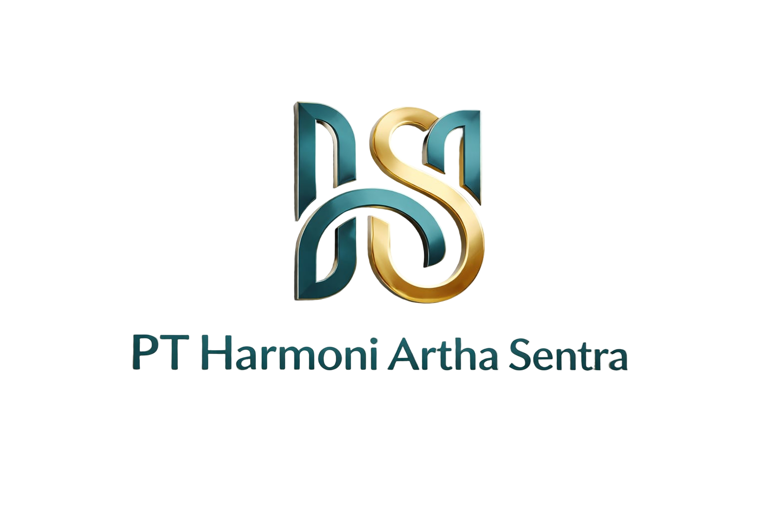
 |  | PT. HARMONI ARTHA SENTRA

 |  | General Supplier Marine, Oil & Gas, Sparepart, Safety First

 |  | Jalan Sabilillah, Desa / Kelurahan Medansatria
 |  | Kec. Medansatria, Kota Bekasi, Jawa Barat, 17132
 |  | No Telp : 0877-9178-6187/0896-0247-3532
QUOTATION

Kepada Yth :

No | Description |  | Qty | Uom | Harga Unit Price (Rp) | Total | Modal | Harga Jual | Modal di kali
 |  |  |  |  |  |  |  |  | 2.2
 |  |  |  |  |  |  |  |  | 1.9
 |  |  |  |  |  |  |  |  | 1.9
 |  |  |  |  |  |  |  |  | 1.9
 |  |  |  |  |  |  |  |  | 1.9
 |  |  |  |  |  |  |  |  | 1.9

 |  |  |  |  |  |  |  |  | 1.9
 |  |  |  |  |  |  |  |  | 2.2

 |  |  |  |  |  |  |  |  | 1.97
 |  |  |  |  |  |  |  |  | 1.78

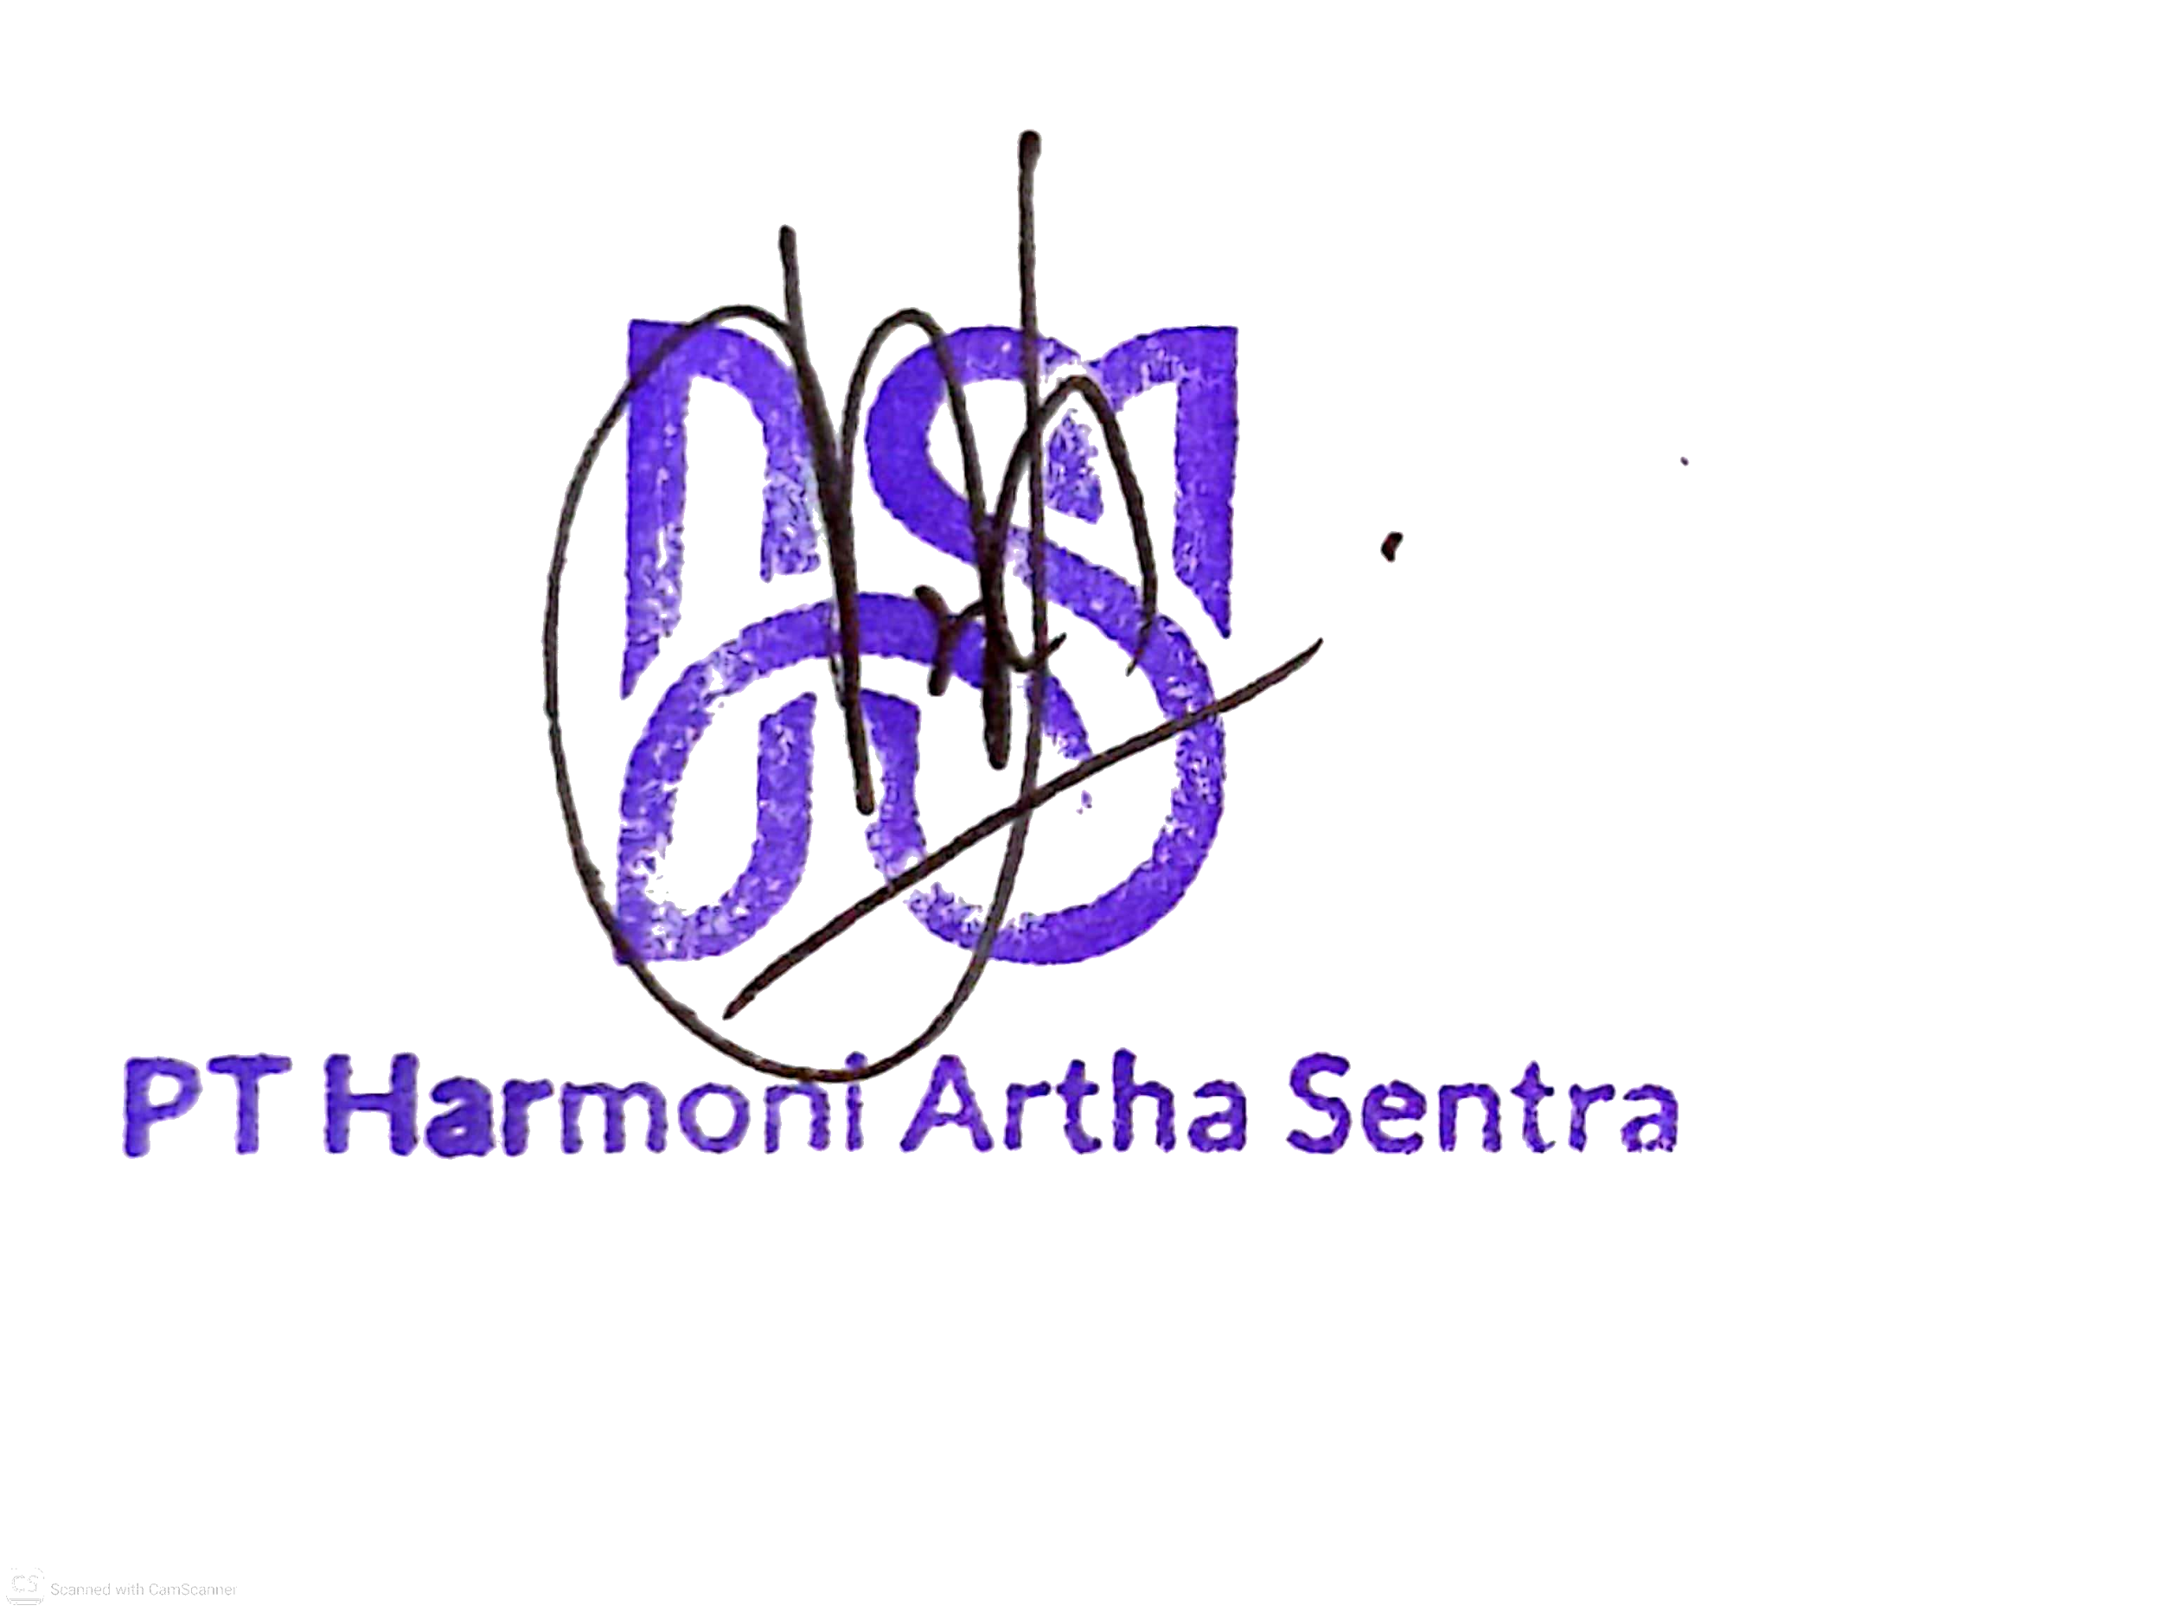
 |  |  |  |  |  |  |  |  | 5%
 |  |  |  |  |  |  |  |  | 20%
 |  |  |  |  |  |  |  |  | 25%

